Лист1
ID | Deffect_01
Priority | Major
Summary | After clicking on the progress toolbar, a non-existent page opens
Description | After clicking on the progress toolbar the user redirects to a non-existent page.
Preconditions | Make sure you are logged in as an learn.epam.com user
Steps to reproduce | 1. Click the toolbar 'Software Functional Testing Online UA Program'
Expected result | The course page opens
Actual result | The course page did not open. Received message: "OOOOPS! WE COULDN'T FIND THIS PAGE. It could be deleted or never existed "
Attachements | 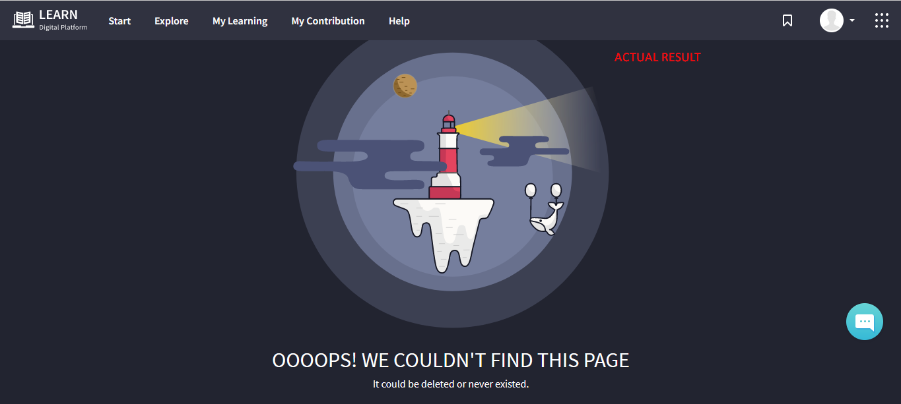
Environment | https://learn.epam.com/start
Browser version | Mozilla Firefox v. 90.0.2 (64 bit)
Link to requirements | -

ID | Deffect_02
Priority | Major
Summary | After clicking on the 'Бібліотека' button, the selected page does not open
Description | After clicking on the 'Бібліотека' button, a "POST" request is sent to the facebook site, which in response receives a '504: Gateway timeout' status code
Preconditions | Open the website https://nau.edu.ua/
Steps to reproduce | 1. Click the 'Бібліотека' button
Expected result | A page containing data from the university library is opened
Actual result | User receives a "Connection timed out" error
Attachements | 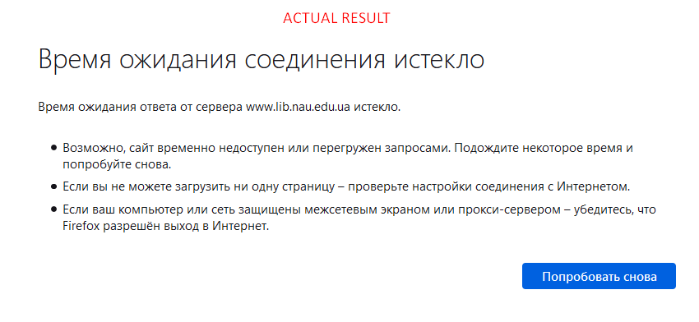
Environment | https://nau.edu.ua/
Browser version | Mozilla Firefox v. 90.0.2 (64 bit)
Link to requirements | -

ID | Deffect_03
Priority | Major
Summary | E-mail field validation does not work
Description | Validation does not work in the registration form. When entering any invalid characters in the 'E-mail' field, user receives a message about the successful registration of the account
Preconditions | Open the website https://gidonline.io and go to the registration form
Steps to reproduce | 1. Fill in the following fields using invalid characters in the E-mail field. 2. Click the button 'Регистрация'
Expected result | User-friendly error message is displayed
Actual result | Received a response "Registration completed. Check your email"
Attachements | 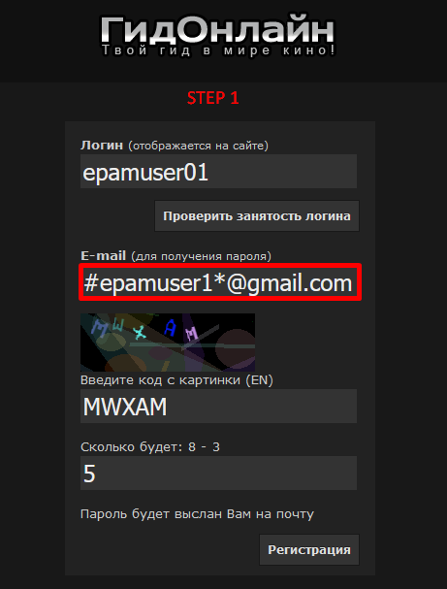 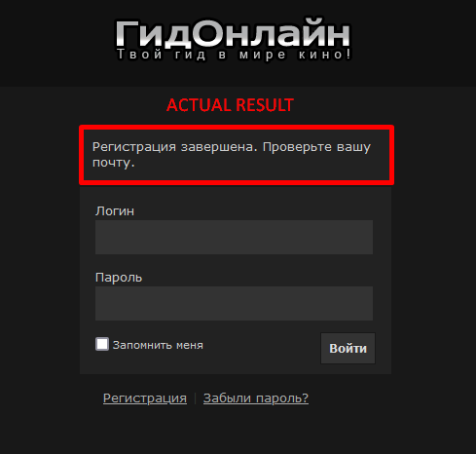
Environment | https://gidonline.io/register/
Browser version | Mozilla Firefox v. 90.0.2 (64 bit)
Link to requirements | -

ID | Deffect_04
Priority | Minor
Summary | After clicking the button 'Заберу сам 1+1', the user does not redirect to the specified page
Description | After clicking the button 'Заберу сам 1+1', the user does not redirect to the specified page
Preconditions | Open the website https://mafia.ua/ and selet Kyiv as your city
Steps to reproduce | 1. Click the button 'Отследить заказ' 2. Click the button 'Заберу сам'
Expected result | The order tracking mode is closed, the user is redirected to the promotional menu page
Actual result | Page is refreshed
Attachements | 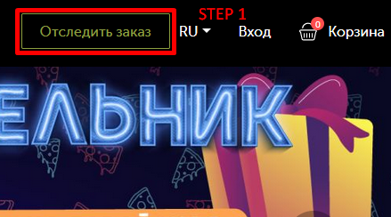 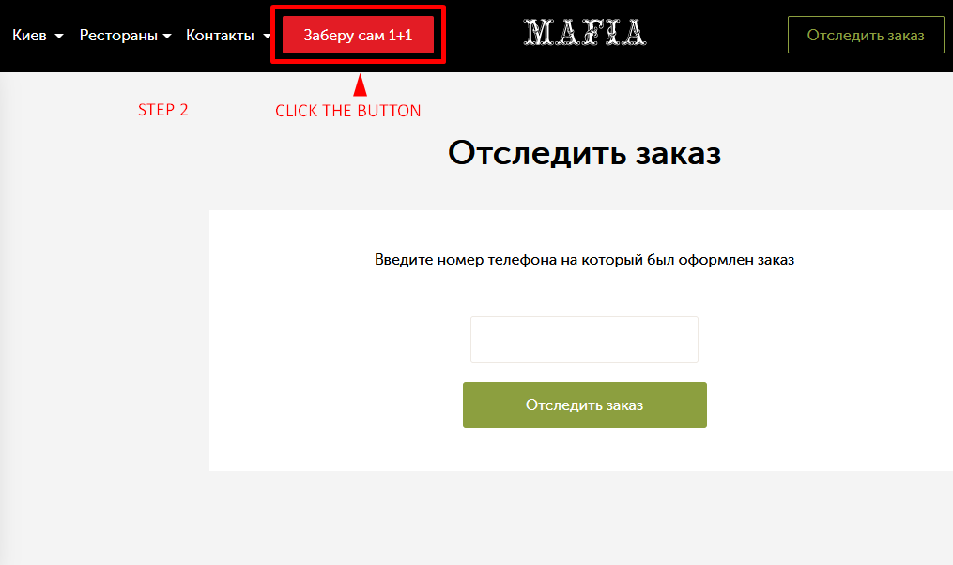 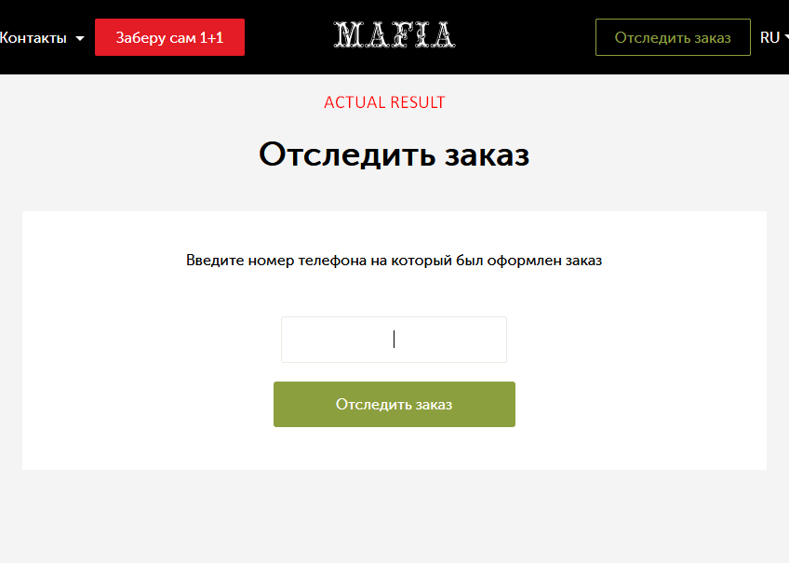
Environment | https://mafia.ua/kiev
Browser version | Mozilla Firefox v. 90.0.2 (64 bit)
Link to requirements | -

ID | Deffect_05
Priority | Major
Summary | When trying to register with an invalid phone number, nothing happens
Description | API response with error doesn't show on UI while registration with invalid phone
Preconditions | Open the website https://rozetka.com.ua
Steps to reproduce | 1. Click the login button (the button with the image of a man) 2. Click the button 'Зареєструватися' 3. Fill in the following fields using invalid phone number
Expected result | User-friendly error message is displayed
Actual result | Nothing happens
Attachements | 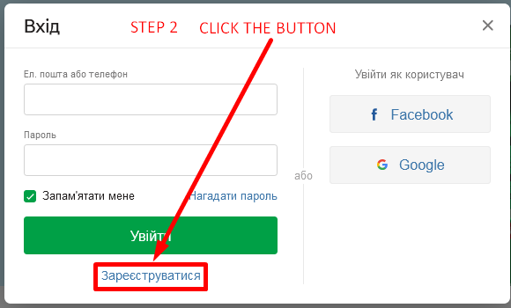 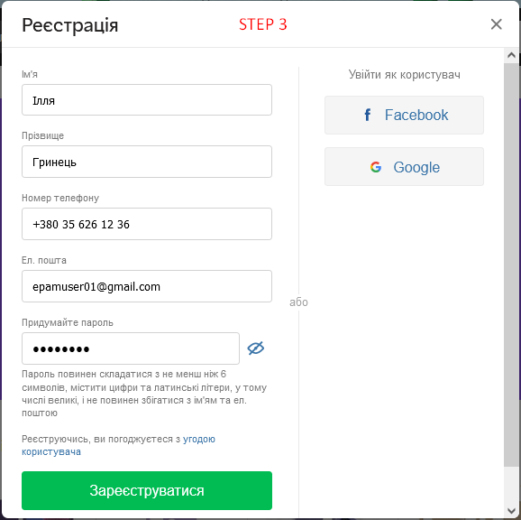 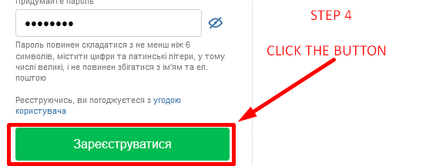
Environment | https://rozetka.com.ua/ua/
Browser version | Mozilla Firefox v. 90.0.2 (64 bit)
Link to requirements | -

